miscellaneous
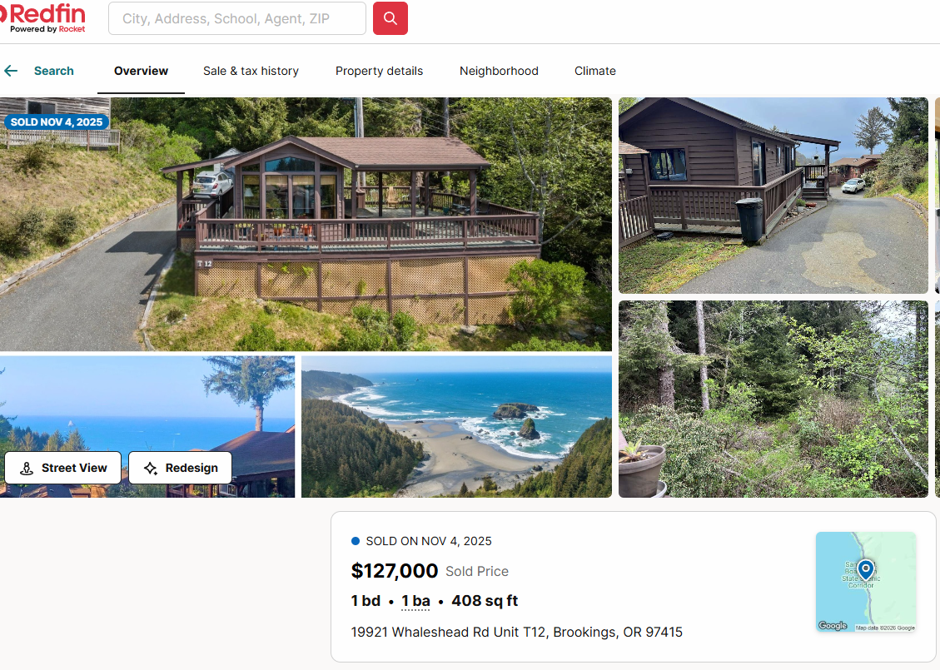

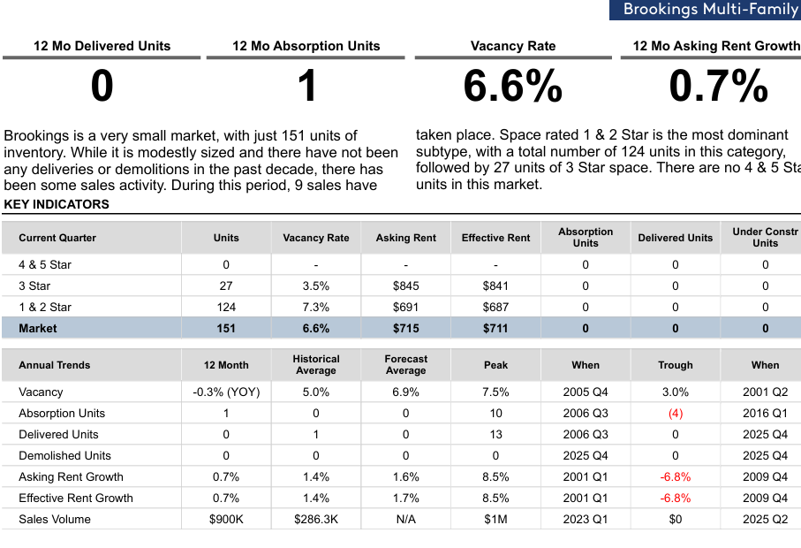

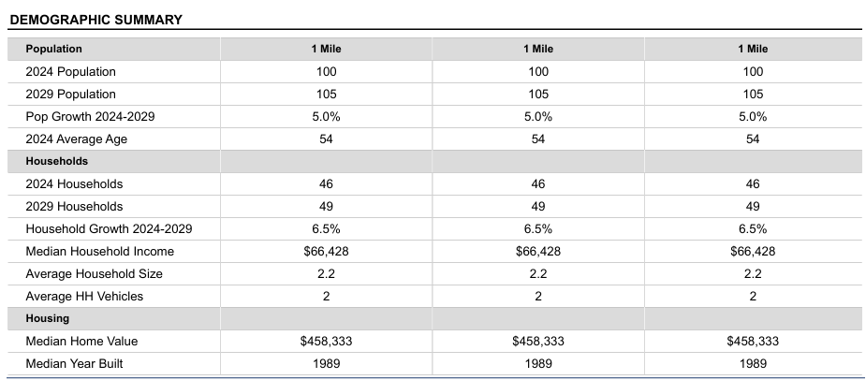

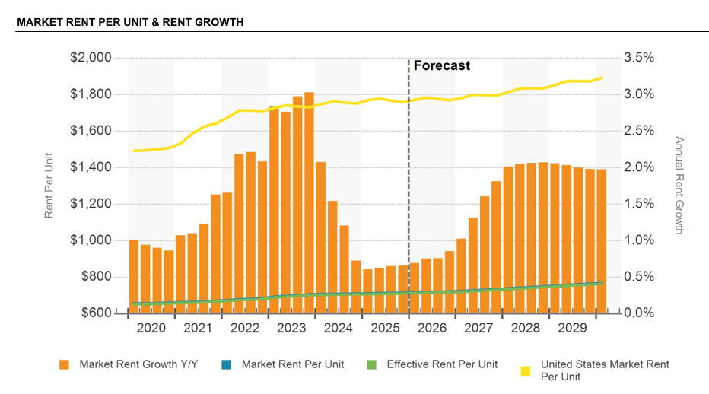

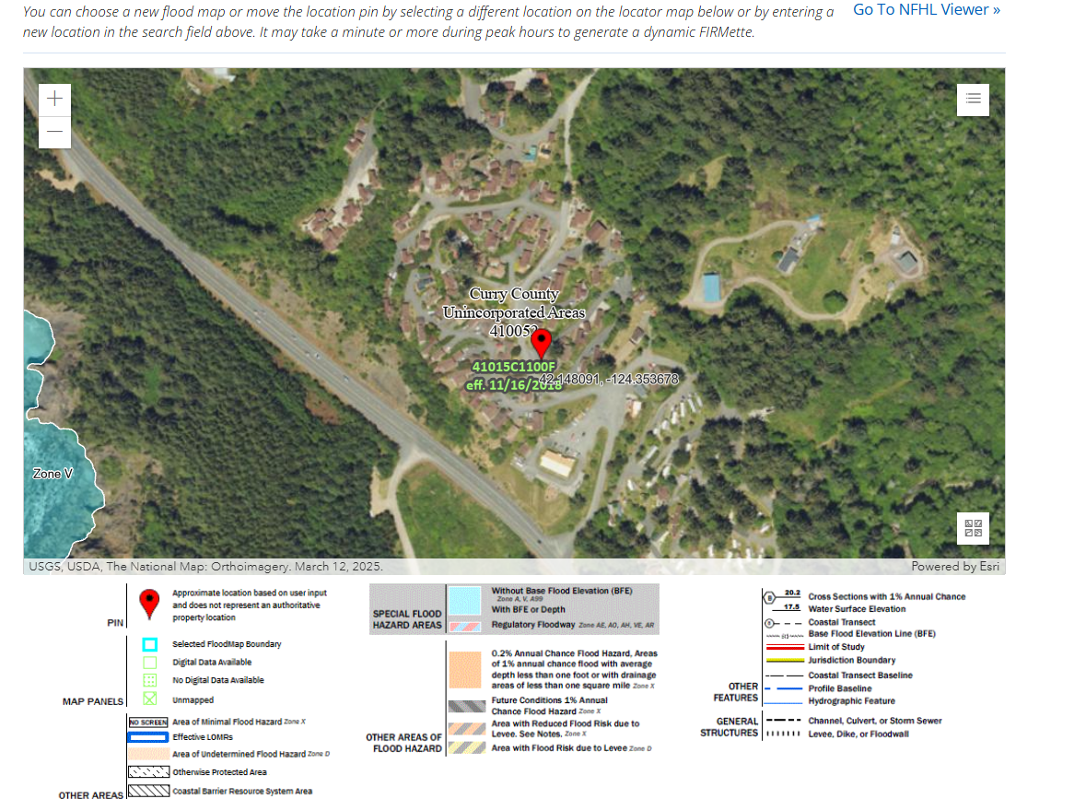

Collections
GARY GROUP CAPITAL

 | Month | GPR | Vacant | Concessions | Bad Debt | Net Rental Income | RUBS | HR Income | RV Income | Parking | Laundry | Other Income | EGI
 | NOV 24 | $88,056 | $0 | $0 | -$36 | $88,020 | $5,895 | $0 | $17,051 | $75 | $0 | $2,563 | $113,605
 | DEC 24 | $88,064 | $0 | $0 | -$6,151 | $81,913 | $7,137 | $0 | $14,962 | $75 | $0 | $2,348 | $106,434
 | JAN 25 | $95,245 | $0 | $0 | $0 | $95,245 | $8,139 | $0 | $15,578 | $75 | $0 | $2,179 | $121,216
 | FEB 25 | $96,356 | $0 | $0 | -$1,887 | $94,469 | $7,443 | $0 | $15,645 | $75 | $0 | $2,632 | $120,265
 | MAR 25 | $97,084 | $0 | $0 | $0 | $97,084 | $9,405 | $0 | $14,563 | $75 | $0 | $4,626 | $125,753
 | APR 25 | $97,396 | $0 | $0 | -$3,847 | $93,549 | $7,438 | $0 | $14,831 | $75 | $0 | $3,213 | $119,107
 | MAY 25 | $97,648 | $0 | $0 | -$10,327 | $87,321 | $6,708 | $0 | $14,090 | $75 | $0 | $5,172 | $113,366
 | JUN 25 | $97,397 | $0 | $0 | -$3,814 | $93,582 | $6,136 | $0 | $14,090 | $75 | $0 | $5,870 | $119,753
 | JUL 25 | $96,074 | $0 | $0 | $0 | $96,074 | $6,004 | $0 | $13,416 | $75 | $0 | $5,034 | $120,603
 | AUG 25 | $97,095 | $0 | $0 | $0 | $97,095 | $5,117 | $0 | $12,742 | $75 | $0 | $5,034 | $120,063
 | SEP 25 | $97,095 | $0 | $0 | $0 | $97,095 | $4,779 | $0 | $12,742 | $75 | $0 | $3,736 | $118,427
 | OCT 25 | $97,095 | $0 | $0 | $0 | $97,095 | $4,975 | $0 | $12,995 | $75 | $0 | $1,369 | $116,509

Trailing 12 month collections
 | Avg NRI Analysis |  | % Difference |  | Net Rental Income
 | T1 | $97,095 | 0.00% | T1vsT3
 | T3 | $97,095 | 2.52% | T3vsT6
 | T6 | $94,710 | 1.61% | T6vsT12
 | T12 | $93,212

 |  |  |  |  | EGI

Trailing 12 month collections

Unit Mix Rent Growth
GARY GROUP CAPITAL - UNIT MIX GROWTH

Lots only
Key Assumptions | Year 1 | Year 2 | Year 3 | Year 4 | Year 5 | Year 6 | Year 7 | Year 8 | Year 9 | Year 10
TOH MH Site | 5.0% | 5.0% | 5.0% | 5.0% | 5.0% | 5.0% | 5.0% | 5.0% | 5.0% | 5.0%
POH-Infilled units | 5.0% | 5.0% | 5.0% | 5.0% | 5.0% | 5.0% | 5.0% | 5.0% | 5.0% | 5.0%

 |  |  |  | Lot Rent |  |  | market by Y3 for property #3
 |  | Unit Mix | # of Units | Avg Monthly Rent | Year 1 | Year 2 | Year 3 | Year 4 | Year 5 | Year 6 | Year 7 | Year 8 | Year 9 | Year 10
 | 0.91472868217 | TOH MH Site | 118 | $964 | $1,013 | $1,063 | $1,116 | $1,172 | $1,231 | $1,292 | $1,357 | $1,425 | $1,496 | $1,571
 | 0.085271317829 | POH-Infilled units | 11 | $964 | $1,012 | $1,063 | $1,116 | $1,172 | $1,230 | $1,292 | $1,356 | $1,424 | $1,495 | $1,570
 | 1 | Total Weighted Average | 129 | $964 | $1,012 | $1,063 | $1,116 | $1,172 | $1,231 | $1,292 | $1,357 | $1,425 | $1,496 | $1,571
 |  |  | $change |  | $48 | $51 | $53 | $56 | $59 | $62 | $65 | $68 | $71 | $75
 |  |  | GPR | $1,492,692 | $1,567,327 | $1,645,693 | $1,727,978 | $1,814,376 | $1,905,095 | $2,000,350 | $2,100,368 | $2,205,386 | $2,315,655 | $2,431,438
 |  | 4 | Vacant Lots | 12 | 8 | 6 | 6 | 6 | 6 | 6 | 6 | 6 | 6 | 6
 |  | 4 | Vacant Homes | 11 | 7 | 4 | 2 | 2 | 2 | 2 | 2 | 2 | 2 | 2
 |  |  | Vacancy | 18% | 12% | 8% | 6% | 6% | 6% | 6% | 6% | 6% | 6% | 6%
 |  |  |  |  | add 4 homes
 |  |  |  |  | sell 4 homes | sell 4 homes | until vacancy comes down to 5%

Rent cap-6% for 2026 max allowable rent increase is 6%

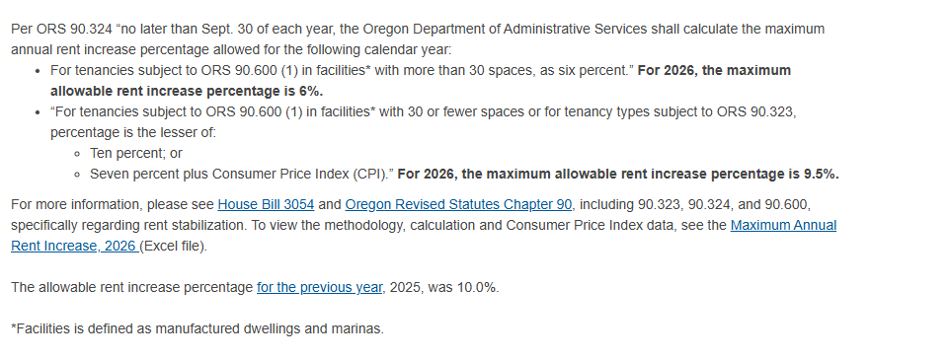

HoME Rents
Key Assumptions | Year 1 | Year 2 | Year 3 | Year 4 | Year 5 | Year 6 | Year 7 | Year 8 | Year 9 | Year 10
POH-Infilled units | 6.0% | 6.0% | 6.0% | 6.0% | 6.0% | 6.0% | 6.0% | 6.0% | 6.0% | 6.0%
 |  | Unit Mix | # of Units | Avg Monthly Rent | Year 1 | Year 2 | Year 3 | Year 4 | Year 5 | Year 6 | Year 7 | Year 8 | Year 9 | Year 10
 |  | POH-Infilled units | 11 | $286 | $303 | $321 | $341 | $361 | $383 | $406 | $430 | $456 | $483 | $512
 |  | Home Rent Income |  | $37,752 | $40,017 | $42,418 | $44,963 | $47,661 | $50,521 | $53,552 | $56,765 | $60,171 | $63,781 | $67,608

GGC Underwriting
GARY GROUP CAPITAL
 |  |  | Months: | 3 |  | ALT NOI | Lot Rent only NOI |  |  |  | Underwritten Date | 2026-02-09
Income | 2022 | 2024 | T12 (Oct 2025) | Annualization | Broker's Proforma | GGC ProForma | GGC ProForma | GGC ProForma | % of GPR | Notes | Property Information |  |  |  | WEBSITE | https://www.flintstoneproperties.com/properties/whaleshead-beach-resort
Gross Potential Rent | $0 | $1,063,458 | $1,144,604 | $1,165,140 | $1,391,628 | $1,727,978 | $1,492,692 | $1,492,692 |  | Mar 2026 Rent Roll (brokers include lot+home $1250/mo for 11 infilled homes ) | Property Name | Whaleshead Beach Resort | Purchase/Offer Price | $16,500,000 | Year Built | 2015
Less: Vacancy | $0 | $0 | $0 | $0 | $0 | ($86,399) | ($231,972) | ($231,972) | 15.54% | Rent Roll Vacancy. 5% for stabilized | Property Address | 19921 Whaleshead Road, Brookings, OR 97415 | Purchase Price Per Site | $111,486 | Flood Zone | Zone B &X
Less: Concessions | $0 | $0 | $0 | $0 | $0 | $0 | $0 | $0 | 0% |  | Property Type | MH/RV Hyrbid | Underwritten CAP rate | 5.75% | Utility Structure | Private Well & Septic-recently upgraded
Less: Bad Debt | $0 | -$690 | -$26,062 | $0 | -$26,062 | ($51,839) | ($26,062) | ($26,062) | 3% | T12 | # of Units | 148 | Stabilized YOC | 7.61% | Electricity | owner paid-Sub metered and billed back
 |  |  |  |  |  |  |  |  |  |  | Rent Roll Occupancy | 84.46% |  |  | Trash | covered through county taxes
Net Rental Income | $0 | $1,062,768 | $1,118,543 | $1,165,140 | $1,365,566 | $1,589,739 | $1,234,658 | $1,234,658 | $102,888 | per month | Acreage |  | Asking Price by Seller | $21,000,000
YoY % Growth |  | #DIV/0! | 5% | 4% |  |  |  |  | $8,342 | per unit | County | Curry | Asking Price Per Site | $141,892

Utility Reimbursement | $0 | $81,488 | $79,177 | $59,482 | $79,147 | $79,177 | $79,177 | $79,177 | $535 | T12. Utility RUBs |  |  | Brookings Multifamily cap rate at 6%-7.5%
Home Rent Income | $0 | $0 | $0 | $0 | $0 | $39,125 | $0 | $0 | $0 | poh (11 infilled homes -$1250/month total rent-separated home rents)-assumed 80% occupied | Asset | NOI | CAP RATE | VALUE | VALUE/UNIT | UNIT
RV Site Rental Income | $0 | $213,460 | $172,705 | $153,917 | $159,588 | $143,629 | $143,629 | $143,629 | $970 | RR Long term RV Site less 10% | Lot Rent only NOI | $949,047 | 5.50% | $17,255,392 | $133,763 | 129
Storage Income | $0 | $900 | $900 | $900 | $900 | $900 | $900 | $900 | $6 | T12. RV Boat Storage Unit | Home Rent only NOI | $14,524 | 12.00% | $121,030 | $10,086 | 12
Retail Income | $0 | $10,200 | $12,426 | $14,400 | $15,600 | $15,288 |  | $15,288 | $103 | RR less 2%. Commercial Unit. | Total | $963,570 | 5.55% | $17,376,422
Other Income | $0 | $73,571 | $43,775 | $40,556 | $43,775 | $58,673 | $58,673 | $58,673 | $396 | Average 24 & T12

Total Effective Gross Income | $0 | $1,442,387 | $1,427,526 | $1,434,395 | $1,664,577 | $1,926,532 | $1,517,037 | $1,532,325 | $10,354 | per unit | Tax Analysis Section | https://currycountyor-pa.tylerhost.net/Property-Search-Result?searchtext=WHALESHEAD
YoY % Growth |  | #DIV/0! | -1% | 0% |  |  |  |  |  |  | Assessed Value | $9,424,118
Expenses | 2022 | 2024 | T12 (Oct 2025) | Annualization | Broker's Proforma | GGC ProForma | GGC ProForma | GGC ProForma | Per Unit | Notes | Levy Rate | 0.62%
RE Taxes | $0 | $14,887 | $15,391 | $14,921 | $15,391 | $59,200 | $59,200 | $59,200 | $400 | GGC Pro Forma. | Estimated Tax | $58,150
Insurance | $0 | $38,203 | $36,756 | $32,946 | $32,735 | $38,594 | $38,594 | $38,594 | $261 | T12 +5%
 |  |  |  |  |  |  |  |  |  |  | 2024-2025
Gas/Fuel | $0 | $1,072 | $1,806 | $0 | $1,806 | $1,860 | $1,860 | $1,860 | $13 | T12 + 3%. | Parcel | MV | Taxable Value | Taxes | Levy% | Acres
Electrcitiy | $0 | $92,727 | $93,310 | $74,958 | $93,310 | $96,109 | $96,109 | $96,109 | $649 | T12 + 3%. | 4014-03-01700-00 | $1,221,930 | $1,221,930 | $7,600 |  | 5
Water and Sewer | $0 | $48,446 | $57,277 | $58,857 | $57,277 | $58,996 | $58,996 | $58,996 | $399 | T12 + 3%. | 4014-03-00300-00 | $437,250 | $100,350 | $686 |  | 3.97
Trash Removal | $0 | $22,568 | $22,439 | $19,444 | $22,439 | $23,112 | $23,112 | $23,112 | $156 | T12 + 3%. | 4014-03-01800-00 | $2,500 | $1,640 | $28 |  | 0.54
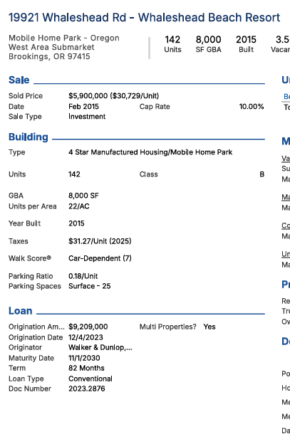
Total Utilities | $0 | $164,813 | $174,832 | $153,259 | $174,832 | $180,077 | $180,077 | $180,077 | $1,217 | per unit | 3914-34C-01300-00 | $2,500 | $2,500 | $14 |  | 2.54
Repair and Maintenance | $0 | $24,889 | $11,495 | $10,374 | $11,495 | $22,200 | $22,200 | $22,200 | $150 | GGC Pro forma | 4014-03-00200-00 | $527,660 | $527,660 | $3,322 |  | 2.36
Ground Maintenance | $0 | $15,810 | $13,944 | $49,162 | $13,944 | $14,362 | $14,362 | $14,362 | $97 | T12 + 3%. | 4014-03-01700-00 | $744,720 | $429,970 | $2,476 |  | 15.83
Recreational Amenities | $0 | $0 | $0 | $0 | $0 | $0 | $0 | $0 | $0 |  | 3914-34C-01100-00 | $302,750 | $182,830 | $1,095 |  | 18.85
Management Fee | $0 | $41,908 | $43,800 | $42,227 | $50,721 | $96,327 | $75,851.87 | $76,616 | 5.0% | GGC Pro forma |  | $3,239,310 | $2,466,880 | $15,221 | 0.0061703204047
Management Fee % | #DIV/0! | 3% | 3% | 3% | 3% |  |  |  |  |  |  |  | 76.15%
Payroll | $0 | $109,371 | $83,210 | $114,393 | $83,210 | $88,800 | $88,800 | $88,800 | $600 | GGC Pro forma
Employee Allowance | $0 | $0 | $0 | $0 | $0 | $0 | $0 | $0 | $0
General and Administrative | $0 | $74,634 | $82,971 | $81,067 | $82,971 | $85,460 | $85,460 | $85,460 | $577 | T12 + 3% (Tenant Cable tV $69K)
Professional Fees | $0 | $5,559 | $4,201 | $220 | $4,201 | $4,327 | $4,327 | $4,327 | $29 | T12 + 3%
Advertising | $0 | $2,241 | $2,468 | $1,876 | $2,468 | $2,542 | $2,542 | $2,542 | $17 | T12 + 3%
Home Rent Expense (MH) | $0 | $0 | $0 | $0 | $0 | $0 |  | $0 | $0
Cap-Ex Reserve | $0 | $0 | $0 | $0 | $0 | $11,100 | $11,100 | $11,100 | $75 | GGC Pro forma
Total Expenses | $0 | $492,314 | $469,068 | $500,445 | $471,968 | $602,989 | $582,514 | $583,279 | $3,941 | per unit
Expense Ratio % | #DIV/0! | 34% | 33% | 35% | 28% | 31% | 38% | 38%

Total Net Operating Income | $0 | $950,073 | $958,458 | $933,950 | $1,192,609 | $1,323,543 | $934,523 | $949,047
YoY % Growth |  | #DIV/0! | 1% | -3%

Waterfall (10-yr)
 | PARTNERSHIP LEVEL RETURNS - EQUITY WATERFALL (IRR & EQUITY MULTIPLE HURDLES)

<---- Select IRR or Equity Multiple hurdles
<---- Select # of Tiers
<---- If GP Dist. % Hurdle 1 < GP Equity Contribution, enter whether GP to Catch Up with LP
<---- Select IRR or Equity Multiple hurdles
<---- Select # of Tiers
<---- If GP Dist. % Hurdle 1 < GP Equity Contribution, enter whether GP to Catch Up with LP
 | Promote Hurdle Method |  | IRR | GP Catch Up?
 | # of Tiers |  | 3-Tier
FALSE | Return of Capital |  | Pari Passu | Yes

<---- Bring in equity contribution, by partner, here.
<---- Bring in equity contribution, by partner, here.
 | Equity Contributions | % | Amount
 | General Partner (GP) | 4.9% | 330,000 |  |  |  |  |  |  | Error Check: | Error
 | Limited Partner (LP) | 95.1% | 6,405,517 |  |  |  |  |  |  | Profit Dist.: | 18.282MM
 | Total Equity |  | 6,735,517 |  |  |  |  |  |  | Net BTCF: | -1.919MM

<---- Input hurdle rates and partnership distribution/promote assumptions here.
<---- Input hurdle rates and partnership distribution/promote assumptions here.
 | Hurdle Rate Method Used: | IRR |  |  | Promote Structure Incentive Breakdown |  | Distribution as %
 | Partnership Distribution Assumptions (IRR Hurdles) |  |  |  |  |  | GP % | LP % | Notes
 | Tier 1 (Pref + Return of Capital) | Equity Multiple | IRR | Up to 8.0% IRR to LP | GP Promote |  | 4.9% | 95.1% | Pref prorata to LP/GP, then Pro rata return of capital
 | Tier 2 (Promote) | > 1.00X EM to LP | > 8.0% IRR to LP | up to 12.0% IRR to LP | 25.0% |  | 28.7% | 71.3% | Prorata to LP/GP to 8.0%, then 71.3%/28.7% to 12.0%
 | Tier 3 (Promote) | > 1.50X EM to LP | > 12.0% IRR to LP |  | 40.0% |  | 42.9% | 57.1% | 71.3%/28.7% to 12.0%, then 57.1%/42.9% to
 | NOT USED | > 2.00X EM to LP | > 15.0% IRR to LP |  | 40.0% |  | 42.9% | 57.1% | 57.1%/42.9% to , then 57.1%/42.9% thereafter
 | NOT USED | > 2.50X EM to LP | > 18.0% IRR to LP |  | 50.0% |  | 52.4% | 47.6% | 57.1%/42.9% to , then 47.6%/52.4% thereafter

<---- Return results based on assumed promote structure, equity contribution split, and equity cashflow stream.
<----
<----
<----
<----
<----
<----
<----
<---- Return results based on assumed promote structure, equity contribution split, and equity cashflow stream.
<----
<----
<----
<----
<----
<----
<----
 | Summary of Partnership-Level Returns |  | Analysis Period | 7 years | Year 0 | Year 1 | Year 2 | Year 3 | Year 4 | Year 5 | Year 6 | Year 7 | Year 8 | Year 9 | Year 10
 | Limited Partner (LP) Returns
 |  | Check
 | Preferred Return | OK | 4788527.0724 |  | - | 479,902 | 551,413 | 511,806 | 575,289 | 643,540 | 714,762 | 789,805 | 522,010 | - | -
 | Return of Capital | OK | 6,405,517 |  | - | - | - | - | - | - | - | - | 338,704 | 941,833 | 5,124,979
 | Excess Cash Flow | OK | 8,230,856 |  | - | - | - | - | - | - | - | - | - | - | 8,230,856
 | Total LP Distributions |  | 19,424,900 |  | - | 479,902 | 551,413 | 511,806 | 575,289 | 643,540 | 714,762 | 789,805 | 860,715 | 941,833 | 13,355,836
 | Total LP Contributions |  | 6,405,517 |  | 6,405,517 | - | - | - | - | - | - | - | - | - | -
 | Total LP Profit |  | 13,019,384
 | LP IRR |  | 14.69% |  | (6,405,517) | 479,902 | 551,413 | 511,806 | 575,289 | 643,540 | 714,762 | 789,805 | 860,715 | 941,833 | 13,355,836
 | LP Equity Multiple |  | 3.03x |  |  | 7.5% | 8.6% | 8.0% | 9.0% | 10.2% | 11.5% | 13.2% | 15.2% | 17.9% | 281.5%

 | GP Returns
 | Preferred Return | OK | 246695.76925 |  | - | 24,724 | 28,408 | 26,367 | 29,638 | 33,154 | 36,823 | 40,689 | 26,893 | - | -
 | Return of Capital | OK | 330,000 |  | - | - | - | - | - | - | - | - | 17,449 | 48,521 | 264,029
 | Promote | OK | 4,261,506 |  | - | - | - | - | - | - | - | - | - | - | 4,261,506
 | Excess Cash Flow | OK | 424,038 |  | - | - | - | - | - | - | - | - | - | - | 424,038
 | Total GP Distributions |  | 5,262,240 |  | - | 24,724 | 28,408 | 26,367 | 29,638 | 33,154 | 36,823 | 40,689 | 44,342 | 48,521 | 4,949,573
 | Total GP Fees |  | 330,000 |  | 330,000 | - | - | - | - | - | - | - | - | - | -
 | Total GP Contributions |  | 330,000 |  | 330,000 | - | - | - | - | - | - | - | - | - | -
 | Total GP Profit (Including Fees) |  | 5,262,240
 | GP IRR |  | NA |  | - | 24,724 | 28,408 | 26,367 | 29,638 | 33,154 | 36,823 | 40,689 | 44,342 | 48,521 | 4,949,573
 | GP Equity Multiple |  | 15.95x

<---- Bring in your equity cashflow here (Before tax cash flow, but after debt service.)
<---- Bring in your equity cashflow here (Before tax cash flow, but after debt service.)
Add GP fees --->
(Enter as positive values)
Add GP fees --->
(Enter as positive values)
 | Property-Level Cash and GP Fees |  |  |  | Year 0 | Year 1 | Year 2 | Year 3 | Year 4 | Year 5 | Year 6 | Year 7 | Year 8 | Year 9 | Year 10
 |  |  |  | Year Ending | 31-Dec-24 | 31-Dec-25 | 31-Dec-26 | 31-Dec-27 | 31-Dec-28 | 31-Dec-29 | 31-Dec-30 | 31-Dec-31 | 31-Dec-32 | 31-Dec-33 | 31-Dec-34
 | Net Property-Level Cash Flow |  |  |  | (6,405,517) | 504,626 | 579,821 | 538,173 | 604,927 | 676,694 | 751,585 | 830,494 | 905,057 | 990,355 | 18,305,409
 | Asset Management Fees |  |  |  | - | - | - | - | - | - | - | - | - | - | -
 | Acquisition/Disposition Fees |  |  |  | 330,000 | - | - | - | - | - | - | - | - | - | -

 | Adjusted Net Property-Level Cash Flow |  |  |  | (6,735,517) | 504,626 | 579,821 | 538,173 | 604,927 | 676,694 | 751,585 | 830,494 | 905,057 | 990,355 | 18,305,409
 | Levered IRR |  |  |  | 16.92%
 | Equity Multiple |  |  |  | 3.67X

 | PARTNERSHIP LEVEL RETURNS - IRR EQUITY WATERFALL
 |  |  | IRR
 |  |  |  |  | Promote Structure Incentive Breakdown |  | Distribution as %
 | Partnership Distribution Assumptions (IRR Hurdles) |  |  |  |  |  | GP % | LP % | Notes
 | Tier 1 (Pref + Return of Capital) |  |  | Up to 8.0% IRR to LP | GP Promote |  | 4.9% | 95.1% | Pref prorata to LP/GP, then Pro rata return of capital
 | Tier 2 (Promote) |  | > 8.0% IRR to LP | up to 12.0% IRR to LP | 25.0% |  | 28.7% | 71.3% | Prorata to LP/GP to 8.0%, then 71.3%/28.7% to 12.0%
 | Tier 3 (Promote) |  | > 12.0% IRR to LP | up to 999.0% IRR to LP | 40.0% |  | 42.9% | 57.1% | 71.3%/28.7% to 12.0%, then 57.1%/42.9% to 999.0%
 | NOT USED |  | > 15.0% IRR to LP | up to 999.0% IRR to LP | 40.0% |  | 42.9% | 57.1% | 57.1%/42.9% to 10.0X, then 57.1%/42.9% to 10.0X
 | NOT USED |  | > 18.0% IRR to LP |  | 50.0% |  | 52.4% | 47.6% | 57.1%/42.9% to 10.0X, then 47.6%/52.4% to 0.0X

 | Summary of Partnership-Level Returns |  |  |  | Year 0 | Year 1 | Year 2 | Year 3 | Year 4 | Year 5 | Year 6 | Year 7 | Year 8 | Year 9 | Year 10
 | Limited Partner (LP) Returns
 | Total LP Distributions |  | 19,424,900 |  | - | 479,902 | 551,413 | 511,806 | 575,289 | 643,540 | 714,762 | 789,805 | 860,715 | 941,833 | 13,355,836
 | Total LP Contributions |  | 6,405,517 |  | 6,405,517 | - | - | - | - | - | - | - | - | - | -
 | Total LP Profit |  | 13,019,384
 | LP IRR |  | 14.69% |  | (6,405,517) | 479,902 | 551,413 | 511,806 | 575,289 | 643,540 | 714,762 | 789,805 | 860,715 | 941,833 | 13,355,836
 | LP Equity Multiple |  | 3.03x

 | GP Returns
 | Total GP Distributions |  | 5,262,240 |  | - | 24,724 | 28,408 | 26,367 | 29,638 | 33,154 | 36,823 | 40,689 | 44,342 | 48,521 | 4,949,573
 | Total GP Fees |  | 330,000 |  | 330,000 | - | - | - | - | - | - | - | - | - | -
 | Total GP Contributions |  | 330,000 |  | 330,000 | - | - | - | - | - | - | - | - | - | -
 | Total GP Profit |  | 5,262,240
 | GP IRR |  | NA |  | - | 24,724 | 28,408 | 26,367 | 29,638 | 33,154 | 36,823 | 40,689 | 44,342 | 48,521 | 4,949,573
 | GP Equity Multiple |  | 15.95x

 | Property-Level Cash and GP Fees |  |  |  | Year 0 | Year 1 | Year 2 | Year 3 | Year 4 | Year 5 | Year 6 | Year 7 | Year 8 | Year 9 | Year 10
 |  |  |  | Year Ending | 31-Dec-24 | 31-Dec-25 | 31-Dec-26 | 31-Dec-27 | 31-Dec-28 | 31-Dec-29 | 31-Dec-30 | 31-Dec-31 | 31-Dec-32 | 31-Dec-33 | 31-Dec-34
 | Net Property-Level Cash Flow |  |  |  | (6,405,517) | 504,626 | 579,821 | 538,173 | 604,927 | 676,694 | 751,585 | 830,494 | 905,057 | 990,355 | 18,305,409
 | Asset Management Fees |  |  |  | - | - | - | - | - | - | - | - | - | - | -
 | Acquisition/Disposition Fees |  |  |  | 330,000 | - | - | - | - | - | - | - | - | - | -
 | Adjusted Net Property-Level Cash Flow |  |  |  | (6,735,517) | 504,626 | 579,821 | 538,173 | 604,927 | 676,694 | 751,585 | 830,494 | 905,057 | 990,355 | 18,305,409
 | Levered IRR |  |  |  | -8.63%
 | Equity Multiple |  |  |  | 0.67X

 | Tier 1 - Preferred Return + Return of Capital
 | Return Threshold - Up to: | 8.0% |  |  | Year 0 | Year 1 | Year 2 | Year 3 | Year 4 | Year 5 | Year 6 | Year 7 | Year 8 | Year 9 | Year 10
 | Beginning Balance (LP Capital Account) |  |  |  | - | 6,405,517 | 6,438,056 | 6,401,688 | 6,402,017 | 6,338,889 | 6,202,461 | 5,983,895 | 5,672,802 | 5,265,912 | 4,745,351
 | LP Return of Capital |  |  |  | Capital Not Returned | (32,539) | 36,368 | (329) | 63,128 | 136,428 | 218,565 | 311,093 | 406,890 | 520,560 | 4,745,351
 | Req'd Return by LP to hit Hurdle 1 |  |  |  | - | 512,441 | 515,045 | 512,135 | 512,161 | 507,111 | 496,197 | 478,712 | 453,824 | 421,273 | 379,628
 | Contributions from LP |  |  |  | 6,405,517 | - | - | - | - | - | - | - | - | - | -
 | Distributions to LP (Hurdle 1) |  |  |  | - | 479,902 | 551,413 | 511,806 | 575,289 | 643,540 | 714,762 | 789,805 | 860,715 | 941,833 | 5,124,979
 | Ending Balance (LP Capital Account) |  |  |  | 6,405,517 | 6,438,056 | 6,401,688 | 6,402,017 | 6,338,889 | 6,202,461 | 5,983,895 | 5,672,802 | 5,265,912 | 4,745,351 | -
 | LP IRR Check |  |  | 8.00% | (6,405,517) | 479,902 | 551,413 | 511,806 | 575,289 | 643,540 | 714,762 | 789,805 | 860,715 | 941,833 | 5,124,979
 | Distribution to LP |  |  |  | - | 479,902 | 551,413 | 511,806 | 575,289 | 643,540 | 714,762 | 789,805 | 860,715 | 941,833 | 5,124,979

 | Beginning Balance (GP Capital Account) |  |  |  | - | 330,000 | 331,676 | 329,803 | 329,820 | 326,567 | 319,539 | 308,279 | 292,252 | 271,290 | 244,471
 | Req'd Return by GP (Pref) |  |  |  | - | 26,400 | 26,534 | 26,384 | 26,386 | 26,125 | 25,563 | 24,662 | 23,380 | 21,703 | 19,558
 | Contributions from GP |  |  |  | 330,000 | - | - | - | - | - | - | - | - | - | -
 | Distribution to GP |  |  |  | - | 24,724 | 28,408 | 26,367 | 29,638 | 33,154 | 36,823 | 40,689 | 44,342 | 48,521 | 264,029
 | Ending Balance (GP Capital Account) |  |  |  | 330,000 | 331,676 | 329,803 | 329,820 | 326,567 | 319,539 | 308,279 | 292,252 | 271,290 | 244,471 | (0)
 | GP IRR Check |  |  | 8.00% | (330,000) | 24,724 | 28,408 | 26,367 | 29,638 | 33,154 | 36,823 | 40,689 | 44,342 | 48,521 | 264,029

 | Total Distributions (Tier 1 - Preferred Return + Return of Capital) |  |  |  | - | 504,626 | 579,821 | 538,173 | 604,927 | 676,694 | 751,585 | 830,494 | 905,057 | 990,355 | 5,389,009
 | Cash Flow Remaining |  |  |  | - | - | - | - | - | - | - | - | 0 | - | 12,916,400

 | Tier 2 |  |  |  | Year 0 | Year 1 | Year 2 | Year 3 | Year 4 | Year 5 | Year 6 | Year 7 | Year 8 | Year 9 | Year 10
 | Return Threshold - Up to: | 12.0%
 | Beginning Balance (LP Capital Account) |  |  |  | - | 6,405,517 | 6,694,277 | 6,946,177 | 7,267,913 | 7,564,773 | 7,829,006 | 8,053,725 | 8,230,367 | 8,357,296 | 8,418,338
 | Req'd Return by LP to hit Hurdle 2 |  |  |  | - | 768,662 | 803,313 | 833,541 | 872,150 | 907,773 | 939,481 | 966,447 | 987,644 | 1,002,876 | 1,010,201
 | Contributions from LP |  |  |  | 6,405,517 | - | - | - | - | - | - | - | - | - | -
 | Prior Distributions |  |  |  | - | 479,902 | 551,413 | 511,806 | 575,289 | 643,540 | 714,762 | 789,805 | 860,715 | 941,833 | 5,124,979
 | Distributions to LP Tier 2 |  |  |  | - | - | - | - | - | - | - | - | 0 | - | 4,303,560
 | Ending Balance (LP Capital Account) |  |  |  | 6,405,517 | 6,694,277 | 6,946,177 | 7,267,913 | 7,564,773 | 7,829,006 | 8,053,725 | 8,230,367 | 8,357,296 | 8,418,338 | -
 | IRR Error Check - 12.0% |  |  | 12.00% | (6,405,517) | 479,902 | 551,413 | 511,806 | 575,289 | 643,540 | 714,762 | 789,805 | 860,715 | 941,833 | 9,428,539

 | Distribution to LP |  |  |  | - | - | - | - | - | - | - | - | 0 | - | 4,303,560
 | Distribution to GP |  |  |  | - | - | - | - | - | - | - | - | 0 | - | 1,730,135
 | Total Distributions (Tier 2) |  |  |  | - | - | - | - | - | - | - | - | 0 | - | 6,033,694
 | Cash Flow Remaining |  |  |  | - | - | - | - | - | - | - | - | - | - | 6,882,706

 | Tier 3 |  |  |  | Year 0 | Year 1 | Year 2 | Year 3 | Year 4 | Year 5 | Year 6 | Year 7 | Year 8 | Year 9 | Year 10
 | Return Threshold - Up to: | 999.0%
 | Beginning Balance (LP Capital Account) |  |  |  | - | 6,405,517 | 69,916,729 | 767,833,442 | 8,437,977,725 | 92,732,799,913 | 1,019,132,827,509 | 11,200,269,059,558 | 123,090,956,174,737 | 1,352,769,607,499,650 | 14,866,937,985,479,314
 | Req'd Return by LP to hit Hurdle 3 |  |  |  | - | 63,991,114 | 698,468,126 | 7,670,656,089 | 84,295,397,477 | 926,400,671,135 | 10,181,136,946,812 | 111,890,687,904,984 | 1,229,678,652,185,627 | 13,514,168,378,921,498 | 148,520,710,474,938,340
 | Contributions from LP |  |  |  | 6,405,517 | - | - | - | - | - | - | - | - | - | -
 | Prior Distributions |  |  |  | - | 479,902 | 551,413 | 511,806 | 575,289 | 643,540 | 714,762 | 789,805 | 860,715 | 941,833 | 9,428,539
 | Distributions to LP Tier 3 |  |  |  | - | - | - | - | - | - | - | - | - | - | 3,927,297
 | Ending Balance (LP Capital Account) |  |  |  | 6,405,517 | 69,916,729 | 767,833,442 | 8,437,977,725 | 92,732,799,913 | 1,019,132,827,509 | 11,200,269,059,558 | 123,090,956,174,737 | 1,352,769,607,499,650 | 14,866,937,985,479,314 | 163,387,648,447,061,820
 | IRR Error Check - 999.0% |  |  | 14.69% | (6,405,517) | 479,902 | 551,413 | 511,806 | 575,289 | 643,540 | 714,762 | 789,805 | 860,715 | 941,833 | 13,355,836

 | Distribution to LP |  |  |  | - | - | - | - | - | - | - | - | - | - | 3,927,297
 | Distribution to GP |  |  |  | - | - | - | - | - | - | - | - | - | - | 2,955,409
 | Total Distributions (Tier 3) |  |  |  | - | - | - | - | - | - | - | - | - | - | 6,882,706
 | Cash Flow Remaining |  |  |  | - | - | - | - | - | - | - | - | - | - | -

 | Tier 4 |  |  |  | Year 0 | Year 1 | Year 2 | Year 3 | Year 4 | Year 5 | Year 6 | Year 7 | Year 8 | Year 9 | Year 10
 | Return Threshold - Up to: | 999.0%
 | Beginning Balance (LP Capital Account) |  |  |  | - | 6,405,517 | 69,916,729 | 767,833,442 | 8,437,977,725 | 92,732,799,913 | 1,019,132,827,509 | 11,200,269,059,558 | 123,090,956,174,737 | 1,352,769,607,499,650 | 14,866,937,985,479,314
 | Req'd Return by LP to hit Hurdle 4 |  |  |  | - | 63,991,114 | 698,468,126 | 7,670,656,089 | 84,295,397,477 | 926,400,671,135 | 10,181,136,946,812 | 111,890,687,904,984 | 1,229,678,652,185,627 | 13,514,168,378,921,498 | 148,520,710,474,938,340
 | Contributions from LP |  |  |  | 6,405,517 | - | - | - | - | - | - | - | - | - | -
 | Prior Distributions |  |  |  | - | 479,902 | 551,413 | 511,806 | 575,289 | 643,540 | 714,762 | 789,805 | 860,715 | 941,833 | 13,355,836
 | Distributions to LP Tier 4 |  |  |  | - | - | - | - | - | - | - | - | - | - | -
 | Ending Balance (LP Capital Account) |  |  |  | 6,405,517 | 69,916,729 | 767,833,442 | 8,437,977,725 | 92,732,799,913 | 1,019,132,827,509 | 11,200,269,059,558 | 123,090,956,174,737 | 1,352,769,607,499,650 | 14,866,937,985,479,314 | 163,387,648,447,061,820
 | IRR Error Check - 999.0% |  |  | 14.69% | (6,405,517) | 479,902 | 551,413 | 511,806 | 575,289 | 643,540 | 714,762 | 789,805 | 860,715 | 941,833 | 13,355,836

 | Distribution to LP |  |  |  | - | - | - | - | - | - | - | - | - | - | -
 | Distribution to GP |  |  |  | - | - | - | - | - | - | - | - | - | - | -
 | Total Distributions (Tier 4) |  |  |  | - | - | - | - | - | - | - | - | - | - | -
 | Cash Flow Remaining |  |  |  | - | - | - | - | - | - | - | - | - | - | -

 | Tier 5 |  |  |  | Year 0 | Year 1 | Year 2 | Year 3 | Year 4 | Year 5 | Year 6 | Year 7 | Year 8 | Year 9 | Year 10
 | Return Threshold - Greater than: | 999.0%
 | Distribution to LP |  |  |  | - | - | - | - | - | - | - | - | - | - | -
 | Distribution to GP |  |  |  | - | - | - | - | - | - | - | - | - | - | -
 | Total Distributions (Tier 5) |  |  |  | - | - | - | - | - | - | - | - | - | - | -
 | Cash Flow Remaining |  |  |  | - | - | - | - | - | - | - | - | - | - | -

 | PARTNERSHIP LEVEL RETURNS - EMx EQUITY WATERFALL
 |  |  | Equity Multiple
 |  |  |  |  | Promote Structure Incentive Breakdown |  | Distribution as %
 | Partnership Distribution Assumptions (Equity Multiple Hurdles) |  |  |  |  |  | GP % | LP % | Notes
 | Tier 1 (Pref + Return of Capital) | Equity Multiple |  | Up to 1.00X EMx to LP |  |  | 4.9% | 95.1% | Pref prorata to LP/GP, then Pro rata return of capital
 | Tier 2 (Promote) | > 1.00X EM to LP |  | Up to 1.50X EMx to LP |  |  | 28.7% | 71.3% | Prorata to LP/GP to 1.0X, then 71.3%/28.7% to 1.5X
 | Tier 3 (Promote) | > 1.50X EM to LP |  | Up to 99.00X EMx to LP |  |  | 42.9% | 57.1% | 71.3%/28.7% to 1.5X, then 57.1%/42.9% to 99.0X
 | NOT USED | > 2.00X EM to LP |  | Up to 99.00X EMx to LP |  |  | 42.9% | 57.1% | 57.1%/42.9% to 99.0X, then 57.1%/42.9% to 99.0X
 | NOT USED | > 2.50X EM to LP |  |  |  |  | 52.4% | 47.6% | 57.1%/42.9% to 99.0X, then 47.6%/52.4% to 0.0X

 | Summary of Partnership-Level Returns |  |  |  | Year 0 | Year 1 | Year 2 | Year 3 | Year 4 | Year 5 | Year 6 | Year 7 | Year 8 | Year 9 | Year 10
 | Limited Partner (LP) Returns
 | Total LP Distributions |  | 17,289,329 |  | - | 479,902 | 551,413 | 511,806 | 575,289 | 643,540 | 714,762 | 789,805 | 860,715 | 941,833 | 11,220,265
 | Total LP Contributions |  | 6,405,517 |  | 6,405,517 | - | - | - | - | - | - | - | - | - | -
 | Total LP Profit |  | 10,883,812
 | LP IRR |  | 13.31% |  | (6,405,517) | 479,902 | 551,413 | 511,806 | 575,289 | 643,540 | 714,762 | 789,805 | 860,715 | 941,833 | 11,220,265
 | LP Equity Multiple |  | 2.70x

 | GP Returns
 | Total GP Distributions |  | 7,397,811 |  | - | 24,724 | 28,408 | 26,367 | 29,638 | 33,154 | 36,823 | 40,689 | 44,342 | 48,521 | 7,085,144
 | Total GP Fees |  | 330,000 |  | 330,000 | - | - | - | - | - | - | - | - | - | -
 | Total GP Contributions |  | 330,000 |  | 330,000 | - | - | - | - | - | - | - | - | - | -
 | Total GP Profit |  | 7,397,811
 | GP IRR |  | NA |  | - | 24,724 | 28,408 | 26,367 | 29,638 | 33,154 | 36,823 | 40,689 | 44,342 | 48,521 | 7,085,144
 | GP Equity Multiple |  | 22.42x

 | Property-Level Cash and GP Fees |  |  |  | Year 0 | Year 1 | Year 2 | Year 3 | Year 4 | Year 5 | Year 6 | Year 7 | Year 8 | Year 9 | Year 10
 |  |  |  | Year Ending | 31-Dec-24 | 31-Dec-25 | 31-Dec-26 | 31-Dec-27 | 31-Dec-28 | 31-Dec-29 | 31-Dec-30 | 31-Dec-31 | 31-Dec-32 | 31-Dec-33 | 31-Dec-34
 | Net Property-Level Cash Flow |  |  |  | (6,405,517) | 504,626 | 579,821 | 538,173 | 604,927 | 676,694 | 751,585 | 830,494 | 905,057 | 990,355 | 18,305,409
 | Asset Management Fees |  |  |  | - | - | - | - | - | - | - | - | - | - | -
 | Acquisition/Disposition Fees |  |  |  | 330,000 | - | - | - | - | - | - | - | - | - | -
 | Adjusted Net Property-Level Cash Flow |  |  |  | (6,735,517) | 504,626 | 579,821 | 538,173 | 604,927 | 676,694 | 751,585 | 830,494 | 905,057 | 990,355 | 18,305,409
 | Levered IRR |  |  |  | -8.63%
 | Equity Multiple |  |  |  | 0.67X

 | Tier 1 - Preferred Return + Return of Capital
 | Return Threshold - Up to: | 1.00X |  |  | Year 0 | Year 1 | Year 2 | Year 3 | Year 4 | Year 5 | Year 6 | Year 7 | Year 8 | Year 9 | Year 10
 | Beginning Balance (LP Capital Account) |  |  |  | - | 6,405,517 | 5,925,615 | 5,374,202 | 4,862,396 | 4,287,107 | 3,643,567 | 2,928,805 | 2,139,000 | 1,278,286 | 336,452
 | LP Return of Capital |  |  |  | Capital Not Returned | 479,902 | 551,413 | 511,806 | 575,289 | 643,540 | 714,762 | 789,805 | 860,715 | 941,833 | 336,452
 | Req'd Return by LP to hit Hurdle 1 |  |  |  | - | - | - | - | - | - | - | - | - | - | -
 | Contributions from LP |  |  |  | 6,405,517 | - | - | - | - | - | - | - | - | - | -
 | Distributions to LP (Hurdle 1) |  |  |  | - | 479,902 | 551,413 | 511,806 | 575,289 | 643,540 | 714,762 | 789,805 | 860,715 | 941,833 | 336,452
 | Ending Balance (LP Capital Account) |  |  |  | 6,405,517 | 5,925,615 | 5,374,202 | 4,862,396 | 4,287,107 | 3,643,567 | 2,928,805 | 2,139,000 | 1,278,286 | 336,452 | -
 | LP EMx Check |  |  | 1.00X | (6,405,517) | 479,902 | 551,413 | 511,806 | 575,289 | 643,540 | 714,762 | 789,805 | 860,715 | 941,833 | 336,452
 | Distribution to LP |  |  |  | - | 479,902 | 551,413 | 511,806 | 575,289 | 643,540 | 714,762 | 789,805 | 860,715 | 941,833 | 336,452

 | Beginning Balance (GP Capital Account) |  |  |  | - | 330,000 | 305,276 | 276,869 | 250,501 | 220,864 | 187,710 | 150,886 | 110,197 | 65,855 | 17,333
 | Req'd Return by GP (Pref) |  |  |  | - | - | - | - | - | - | - | - | - | - | -
 | Contributions from GP |  |  |  | 330,000 | - | - | - | - | - | - | - | - | - | -
 | Distribution to GP |  |  |  | - | 24,724 | 28,408 | 26,367 | 29,638 | 33,154 | 36,823 | 40,689 | 44,342 | 48,521 | 17,333
 | Ending Balance (GP Capital Account) |  |  |  | 330,000 | 305,276 | 276,869 | 250,501 | 220,864 | 187,710 | 150,886 | 110,197 | 65,855 | 17,333 | 0
 | GP EMx Check |  |  | 1.00X | (330,000) | 24,724 | 28,408 | 26,367 | 29,638 | 33,154 | 36,823 | 40,689 | 44,342 | 48,521 | 17,333

 | Total Distributions (Tier 1 - Preferred Return + Return of Capital) |  |  |  | - | 504,626 | 579,821 | 538,173 | 604,927 | 676,694 | 751,585 | 830,494 | 905,057 | 990,355 | 353,786
 | Cash Flow Remaining |  |  |  | - | - | - | - | - | - | - | - | 0 | - | 17,951,623

 | Tier 2 |  |  |  | Year 0 | Year 1 | Year 2 | Year 3 | Year 4 | Year 5 | Year 6 | Year 7 | Year 8 | Year 9 | Year 10
 | Return Threshold - Up to: | 1.50X
 | Beginning Balance (LP Capital Account) |  |  |  | - | 6,405,517 | 9,128,373 | 8,576,960 | 8,065,155 | 7,489,865 | 6,846,326 | 6,131,564 | 5,341,759 | 4,481,044 | 3,539,211
 | Req'd Return by LP to hit Hurdle 2 |  |  |  | - | 3,202,758 | - | - | - | - | - | - | - | - | -
 | Contributions from LP |  |  |  | 6,405,517 | - | - | - | - | - | - | - | - | - | -
 | Prior Distributions |  |  |  | - | 479,902 | 551,413 | 511,806 | 575,289 | 643,540 | 714,762 | 789,805 | 860,715 | 941,833 | 336,452
 | Distributions to LP Tier 2 |  |  |  | - | - | - | - | - | - | - | - | 0 | - | 3,202,758
 | Ending Balance (LP Capital Account) |  |  |  | 6,405,517 | 9,128,373 | 8,576,960 | 8,065,155 | 7,489,865 | 6,846,326 | 6,131,564 | 5,341,759 | 4,481,044 | 3,539,211 | -
 | IRR Error Check - 150.0% |  |  | 1.50X | (6,405,517) | 479,902 | 551,413 | 511,806 | 575,289 | 643,540 | 714,762 | 789,805 | 860,715 | 941,833 | 3,539,211

 | Distribution to LP |  |  |  | - | - | - | - | - | - | - | - | 0 | - | 3,202,758
 | Distribution to GP |  |  |  | - | - | - | - | - | - | - | - | 0 | - | 1,287,586
 | Total Distributions (Tier 2) |  |  |  | - | - | - | - | - | - | - | - | 0 | - | 4,490,345
 | Cash Flow Remaining |  |  |  | - | - | - | - | - | - | - | - | - | - | 13,461,279

 | Tier 3 |  |  |  | Year 0 | Year 1 | Year 2 | Year 3 | Year 4 | Year 5 | Year 6 | Year 7 | Year 8 | Year 9 | Year 10
 | Return Threshold - Up to: | 99.00X
 | Beginning Balance (LP Capital Account) |  |  |  | - | 6,405,517 | 633,666,277 | 633,114,864 | 632,603,058 | 632,027,769 | 631,384,229 | 630,669,467 | 629,879,662 | 629,018,948 | 628,077,114
 | Req'd Return by LP to hit Hurdle 3 |  |  |  | - | 627,740,662 | - | - | - | - | - | - | - | - | -
 | Contributions from LP |  |  |  | 6,405,517 | - | - | - | - | - | - | - | - | - | -
 | Prior Distributions |  |  |  | - | 479,902 | 551,413 | 511,806 | 575,289 | 643,540 | 714,762 | 789,805 | 860,715 | 941,833 | 3,539,211
 | Distributions to LP Tier 3 |  |  |  | - | - | - | - | - | - | - | - | - | - | 7,681,054
 | Ending Balance (LP Capital Account) |  |  |  | 6,405,517 | 633,666,277 | 633,114,864 | 632,603,058 | 632,027,769 | 631,384,229 | 630,669,467 | 629,879,662 | 629,018,948 | 628,077,114 | 616,856,850
 | IRR Error Check - 9900.0% |  |  | 2.70X | (6,405,517) | 479,902 | 551,413 | 511,806 | 575,289 | 643,540 | 714,762 | 789,805 | 860,715 | 941,833 | 11,220,265

 | Distribution to LP |  |  |  | - | - | - | - | - | - | - | - | - | - | 7,681,054
 | Distribution to GP |  |  |  | - | - | - | - | - | - | - | - | - | - | 5,780,225
 | Total Distributions (Tier 3) |  |  |  | - | - | - | - | - | - | - | - | - | - | 13,461,279
 | Cash Flow Remaining |  |  |  | - | - | - | - | - | - | - | - | - | - | -

 | Tier 4 |  |  |  | Year 0 | Year 1 | Year 2 | Year 3 | Year 4 | Year 5 | Year 6 | Year 7 | Year 8 | Year 9 | Year 10
 | Return Threshold - Up to: | 99.00X
 | Beginning Balance (LP Capital Account) |  |  |  | - | 6,405,517 | 633,666,277 | 633,114,864 | 632,603,058 | 632,027,769 | 631,384,229 | 630,669,467 | 629,879,662 | 629,018,948 | 628,077,114
 | Req'd Return by LP to hit Hurdle 4 |  |  |  | - | 627,740,662 | - | - | - | - | - | - | - | - | -
 | Contributions from LP |  |  |  | 6,405,517 | - | - | - | - | - | - | - | - | - | -
 | Prior Distributions |  |  |  | - | 479,902 | 551,413 | 511,806 | 575,289 | 643,540 | 714,762 | 789,805 | 860,715 | 941,833 | 11,220,265
 | Distributions to LP Tier 4 |  |  |  | - | - | - | - | - | - | - | - | - | - | -
 | Ending Balance (LP Capital Account) |  |  |  | 6,405,517 | 633,666,277 | 633,114,864 | 632,603,058 | 632,027,769 | 631,384,229 | 630,669,467 | 629,879,662 | 629,018,948 | 628,077,114 | 616,856,850
 | IRR Error Check - 9900.0% |  |  | 2.70X | (6,405,517) | 479,902 | 551,413 | 511,806 | 575,289 | 643,540 | 714,762 | 789,805 | 860,715 | 941,833 | 11,220,265

 | Distribution to LP |  |  |  | - | - | - | - | - | - | - | - | - | - | -
 | Distribution to GP |  |  |  | - | - | - | - | - | - | - | - | - | - | -
 | Total Distributions (Tier 4) |  |  |  | - | - | - | - | - | - | - | - | - | - | -
 | Cash Flow Remaining |  |  |  | - | - | - | - | - | - | - | - | - | - | -

 | Tier 5 |  |  |  | Year 0 | Year 1 | Year 2 | Year 3 | Year 4 | Year 5 | Year 6 | Year 7 | Year 8 | Year 9 | Year 10
 | Return Threshold - Greater than: | 99.00X
 | Distribution to LP |  |  |  | - | - | - | - | - | - | - | - | - | - | -
 | Distribution to GP |  |  |  | - | - | - | - | - | - | - | - | - | - | -
 | Total Distributions (Tier 5) |  |  |  | - | - | - | - | - | - | - | - | - | - | -
 | Cash Flow Remaining |  |  |  | - | - | - | - | - | - | - | - | - | - | -

 | 2-Tier
 | 3-Tier
 | 4-Tier
 | 5-Tier
 | 3

Waterfall (5-yr)
 | PARTNERSHIP LEVEL RETURNS - EQUITY WATERFALL (IRR & EQUITY MULTIPLE HURDLES)

<---- Select IRR or Equity Multiple hurdles
<---- Select # of Tiers
<---- If GP Dist. % Hurdle 1 < GP Equity Contribution, enter whether GP to Catch Up with LP
<---- Select IRR or Equity Multiple hurdles
<---- Select # of Tiers
<---- If GP Dist. % Hurdle 1 < GP Equity Contribution, enter whether GP to Catch Up with LP
 | Promote Hurdle Method |  | IRR | GP Catch Up?
 | # of Tiers |  | 3-Tier
FALSE | Return of Capital |  | Pari Passu | Yes

<---- Bring in equity contribution, by partner, here.
<---- Bring in equity contribution, by partner, here.
 | Equity Contributions | % | Amount
 | General Partner (GP) | 4.9% | 330,000 |  |  |  |  |  |  | Error Check:
 | Limited Partner (LP) | 95.1% | 6,405,517 |  |  |  |  |  |  | Profit Dist.:
 | Total Equity |  | 6,735,517 |  |  |  |  |  |  | Net BTCF:

<---- Input hurdle rates and partnership distribution/promote assumptions here.
<---- Input hurdle rates and partnership distribution/promote assumptions here.
 | Hurdle Rate Method Used: | IRR |  |  | Promote Structure Incentive Breakdown |  | Distribution as %
 | Partnership Distribution Assumptions (IRR Hurdles) |  |  |  |  |  | GP % | LP % | Notes
 | Tier 1 (Pref + Return of Capital) | Equity Multiple | IRR | Up to 8.0% IRR to LP | GP Promote |  | 4.9% | 95.1% | Pref prorata to LP/GP, then Pro rata return of capital
 | Tier 2 (Promote) | > 1.00X EM to LP | > 8.0% IRR to LP | up to 12.0% IRR to LP | 25.0% |  | 28.7% | 71.3% | Prorata to LP/GP to 8.0%, then 71.3%/28.7% to 12.0%
 | Tier 3 (Promote) | > 1.50X EM to LP | > 12.0% IRR to LP |  | 40.0% |  | 42.9% | 57.1% | 71.3%/28.7% to 12.0%, then 57.1%/42.9% to
 | NOT USED | > 2.00X EM to LP | > 15.0% IRR to LP |  | 40.0% |  | 42.9% | 57.1% | 57.1%/42.9% to , then 57.1%/42.9% thereafter
 | NOT USED | > 2.50X EM to LP | > 18.0% IRR to LP |  | 50.0% |  | 52.4% | 47.6% | 57.1%/42.9% to , then 47.6%/52.4% thereafter

<---- Return results based on assumed promote structure, equity contribution split, and equity cashflow stream.
<----
<----
<----
<----
<----
<----
<----
<---- Return results based on assumed promote structure, equity contribution split, and equity cashflow stream.
<----
<----
<----
<----
<----
<----
<----
 | Summary of Partnership-Level Returns |  | Analysis Period | 5 years | Year 0 | Year 1 | Year 2 | Year 3 | Year 4 | Year 5
 | Limited Partner (LP) Returns
 |  | Check
 | Preferred Return | OK | 2558893.3725 |  | - | 479,902 | 551,413 | 511,806 | 575,289 | 440,483
 | Return of Capital | OK | 6,405,517 |  | - | - | - | - | - | 6,405,517
 | Excess Cash Flow | OK | 2,407,087 |  | - | - | - | - | - | 2,407,087
 | Total LP Distributions |  | 11,371,497 |  | - | 479,902 | 551,413 | 511,806 | 575,289 | 9,253,087
 | Total LP Contributions |  | 6,405,517 |  | 6,405,517 | - | - | - | - | -
 | Total LP Profit |  | 4,965,980
 | LP IRR |  | 13.72% |  | (6,405,517) | 479,902 | 551,413 | 511,806 | 575,289 | 9,253,087
 | LP Equity Multiple |  | 1.78x |  |  | 7.5% | 8.6% | 8.0% | 9.0% | 146.0%

 | GP Returns
 | Preferred Return | OK | 131829.29937 |  | - | 24,724 | 28,408 | 26,367 | 29,638 | 22,693
 | Return of Capital | OK | 330,000 |  | - | - | - | - | - | 330,000
 | Promote | OK | 1,117,283 |  | - | - | - | - | - | 1,117,283
 | Excess Cash Flow | OK | 124,009 |  | - | - | - | - | - | 124,009
 | Total GP Distributions |  | 1,703,121 |  | - | 24,724 | 28,408 | 26,367 | 29,638 | 1,593,984
 | Total GP Fees |  | 330,000 |  | 330,000 | - | - | - | - | -
 | Total GP Contributions |  | 330,000 |  | 330,000 | - | - | - | - | -
 | Total GP Profit (Including Fees) |  | 1,703,121
 | GP IRR |  | NA |  | - | 24,724 | 28,408 | 26,367 | 29,638 | 1,593,984
 | GP Equity Multiple |  | 5.16x

<---- Bring in your equity cashflow here (Before tax cash flow, but after debt service.)
<---- Bring in your equity cashflow here (Before tax cash flow, but after debt service.)
Add GP fees --->
(Enter as positive values)
Add GP fees --->
(Enter as positive values)
 | Property-Level Cash and GP Fees |  |  |  | Year 0 | Year 1 | Year 2 | Year 3 | Year 4 | Year 5
 |  |  |  | Year Ending | 31-Dec-24 | 31-Dec-25 | 31-Dec-26 | 31-Dec-27 | 31-Dec-28 | 31-Dec-29
 | Net Property-Level Cash Flow |  |  |  | (6,405,517) | 504,626 | 579,821 | 538,173 | 604,927 | 10,847,071
 | Asset Management Fees |  |  |  | - | - | - | - | - | -
 | Acquisition/Disposition Fees |  |  |  | 330,000 | - | - | - | - | -

 | Adjusted Net Property-Level Cash Flow |  |  |  | (6,735,517) | 504,626 | 579,821 | 538,173 | 604,927 | 10,847,071
 | Levered IRR |  |  |  | 15.90%
 | Equity Multiple |  |  |  | 1.94X

 | PARTNERSHIP LEVEL RETURNS - IRR EQUITY WATERFALL
 |  |  | IRR
 |  |  |  |  | Promote Structure Incentive Breakdown |  | Distribution as %
 | Partnership Distribution Assumptions (IRR Hurdles) |  |  |  |  |  | GP % | LP % | Notes
 | Tier 1 (Pref + Return of Capital) |  |  | Up to 8.0% IRR to LP | GP Promote |  | 4.9% | 95.1% | Pref prorata to LP/GP, then Pro rata return of capital
 | Tier 2 (Promote) |  | > 8.0% IRR to LP | up to 12.0% IRR to LP | 25.0% |  | 28.7% | 71.3% | Prorata to LP/GP to 8.0%, then 71.3%/28.7% to 12.0%
 | Tier 3 (Promote) |  | > 12.0% IRR to LP | up to 999.0% IRR to LP | 40.0% |  | 42.9% | 57.1% | 71.3%/28.7% to 12.0%, then 57.1%/42.9% to 999.0%
 | NOT USED |  | > 15.0% IRR to LP | up to 999.0% IRR to LP | 40.0% |  | 42.9% | 57.1% | 57.1%/42.9% to 10.0X, then 57.1%/42.9% to 10.0X
 | NOT USED |  | > 18.0% IRR to LP |  | 50.0% |  | 52.4% | 47.6% | 57.1%/42.9% to 10.0X, then 47.6%/52.4% to 0.0X

 | Summary of Partnership-Level Returns |  |  |  | Year 0 | Year 1 | Year 2 | Year 3 | Year 4 | Year 5
 | Limited Partner (LP) Returns
 | Total LP Distributions |  | 11,371,497 |  | - | 479,902 | 551,413 | 511,806 | 575,289 | 9,253,087
 | Total LP Contributions |  | 6,405,517 |  | 6,405,517 | - | - | - | - | -
 | Total LP Profit |  | 4,965,980
 | LP IRR |  | 13.72% |  | (6,405,517) | 479,902 | 551,413 | 511,806 | 575,289 | 9,253,087
 | LP Equity Multiple |  | 1.78x

 | GP Returns
 | Total GP Distributions |  | 1,703,121 |  | - | 24,724 | 28,408 | 26,367 | 29,638 | 1,593,984
 | Total GP Fees |  | 330,000 |  | 330,000 | - | - | - | - | -
 | Total GP Contributions |  | 330,000 |  | 330,000 | - | - | - | - | -
 | Total GP Profit |  | 1,703,121
 | GP IRR |  | NA |  | - | 24,724 | 28,408 | 26,367 | 29,638 | 1,593,984
 | GP Equity Multiple |  | 5.16x

 | Property-Level Cash and GP Fees |  |  |  | Year 0 | Year 1 | Year 2 | Year 3 | Year 4 | Year 5
 |  |  |  | Year Ending | 31-Dec-24 | 31-Dec-25 | 31-Dec-26 | 31-Dec-27 | 31-Dec-28 | 31-Dec-29
 | Net Property-Level Cash Flow |  |  |  | (6,405,517) | 504,626 | 579,821 | 538,173 | 604,927 | 10,847,071
 | Asset Management Fees |  |  |  | - | - | - | - | - | -
 | Acquisition/Disposition Fees |  |  |  | 330,000 | - | - | - | - | -
 | Adjusted Net Property-Level Cash Flow |  |  |  | (6,735,517) | 504,626 | 579,821 | 538,173 | 604,927 | 10,847,071
 | Levered IRR |  |  |  | 15.90%
 | Equity Multiple |  |  |  | 1.94X

 | Tier 1 - Preferred Return + Return of Capital
 | Return Threshold - Up to: | 8.0% |  |  | Year 0 | Year 1 | Year 2 | Year 3 | Year 4 | Year 5
 | Beginning Balance (LP Capital Account) |  |  |  | - | 6,405,517 | 6,438,056 | 6,401,688 | 6,402,017 | 6,338,889
 | LP Return of Capital |  |  |  | All Capital Returned | (32,539) | 36,368 | (329) | 63,128 | 6,338,889
 | Req'd Return by LP to hit Hurdle 1 |  |  |  | - | 512,441 | 515,045 | 512,135 | 512,161 | 507,111
 | Contributions from LP |  |  |  | 6,405,517 | - | - | - | - | -
 | Distributions to LP (Hurdle 1) |  |  |  | - | 479,902 | 551,413 | 511,806 | 575,289 | 6,846,000
 | Ending Balance (LP Capital Account) |  |  |  | 6,405,517 | 6,438,056 | 6,401,688 | 6,402,017 | 6,338,889 | -
 | LP IRR Check |  |  | 8.00% | (6,405,517) | 479,902 | 551,413 | 511,806 | 575,289 | 6,846,000
 | Distribution to LP |  |  |  | - | 479,902 | 551,413 | 511,806 | 575,289 | 6,846,000

 | Beginning Balance (GP Capital Account) |  |  |  | - | 330,000 | 331,676 | 329,803 | 329,820 | 326,567
 | Req'd Return by GP (Pref) |  |  |  | - | 26,400 | 26,534 | 26,384 | 26,386 | 26,125
 | Contributions from GP |  |  |  | 330,000 | - | - | - | - | -
 | Distribution to GP |  |  |  | - | 24,724 | 28,408 | 26,367 | 29,638 | 352,693
 | Ending Balance (GP Capital Account) |  |  |  | 330,000 | 331,676 | 329,803 | 329,820 | 326,567 | -
 | GP IRR Check |  |  | 8.00% | (330,000) | 24,724 | 28,408 | 26,367 | 29,638 | 352,693

 | Total Distributions (Tier 1 - Preferred Return + Return of Capital) |  |  |  | - | 504,626 | 579,821 | 538,173 | 604,927 | 7,198,693
 | Cash Flow Remaining |  |  |  | - | - | - | - | - | 3,648,378

 | Tier 2 |  |  |  | Year 0 | Year 1 | Year 2 | Year 3 | Year 4 | Year 5
 | Return Threshold - Up to: | 12.0%
 | Beginning Balance (LP Capital Account) |  |  |  | - | 6,405,517 | 6,694,277 | 6,946,177 | 7,267,913 | 7,564,773
 | Req'd Return by LP to hit Hurdle 2 |  |  |  | - | 768,662 | 803,313 | 833,541 | 872,150 | 907,773
 | Contributions from LP |  |  |  | 6,405,517 | - | - | - | - | -
 | Prior Distributions |  |  |  | - | 479,902 | 551,413 | 511,806 | 575,289 | 6,846,000
 | Distributions to LP Tier 2 |  |  |  | - | - | - | - | - | 1,626,545
 | Ending Balance (LP Capital Account) |  |  |  | 6,405,517 | 6,694,277 | 6,946,177 | 7,267,913 | 7,564,773 | -
 | IRR Error Check - 12.0% |  |  | 12.00% | (6,405,517) | 479,902 | 551,413 | 511,806 | 575,289 | 8,472,546

 | Distribution to LP |  |  |  | - | - | - | - | - | 1,626,545
 | Distribution to GP |  |  |  | - | - | - | - | - | 653,910
 | Total Distributions (Tier 2) |  |  |  | - | - | - | - | - | 2,280,456
 | Cash Flow Remaining |  |  |  | - | - | - | - | - | 1,367,922

 | Tier 3 |  |  |  | Year 0 | Year 1 | Year 2 | Year 3 | Year 4 | Year 5
 | Return Threshold - Up to: | 999.0%
 | Beginning Balance (LP Capital Account) |  |  |  | - | 6,405,517 | 69,916,729 | 767,833,442 | 8,437,977,725 | 92,732,799,913
 | Req'd Return by LP to hit Hurdle 3 |  |  |  | - | 63,991,114 | 698,468,126 | 7,670,656,089 | 84,295,397,477 | 926,400,671,135
 | Contributions from LP |  |  |  | 6,405,517 | - | - | - | - | -
 | Prior Distributions |  |  |  | - | 479,902 | 551,413 | 511,806 | 575,289 | 8,472,546
 | Distributions to LP Tier 3 |  |  |  | - | - | - | - | - | 780,541
 | Ending Balance (LP Capital Account) |  |  |  | 6,405,517 | 69,916,729 | 767,833,442 | 8,437,977,725 | 92,732,799,913 | 1,019,124,217,961
 | IRR Error Check - 999.0% |  |  | 13.72% | (6,405,517) | 479,902 | 551,413 | 511,806 | 575,289 | 9,253,087

 | Distribution to LP |  |  |  | - | - | - | - | - | 780,541
 | Distribution to GP |  |  |  | - | - | - | - | - | 587,381
 | Total Distributions (Tier 3) |  |  |  | - | - | - | - | - | 1,367,922
 | Cash Flow Remaining |  |  |  | - | - | - | - | - | -

 | Tier 4 |  |  |  | Year 0 | Year 1 | Year 2 | Year 3 | Year 4 | Year 5
 | Return Threshold - Up to: | 999.0%
 | Beginning Balance (LP Capital Account) |  |  |  | - | 6,405,517 | 69,916,729 | 767,833,442 | 8,437,977,725 | 92,732,799,913
 | Req'd Return by LP to hit Hurdle 4 |  |  |  | - | 63,991,114 | 698,468,126 | 7,670,656,089 | 84,295,397,477 | 926,400,671,135
 | Contributions from LP |  |  |  | 6,405,517 | - | - | - | - | -
 | Prior Distributions |  |  |  | - | 479,902 | 551,413 | 511,806 | 575,289 | 9,253,087
 | Distributions to LP Tier 4 |  |  |  | - | - | - | - | - | -
 | Ending Balance (LP Capital Account) |  |  |  | 6,405,517 | 69,916,729 | 767,833,442 | 8,437,977,725 | 92,732,799,913 | 1,019,124,217,961
 | IRR Error Check - 999.0% |  |  | 13.72% | (6,405,517) | 479,902 | 551,413 | 511,806 | 575,289 | 9,253,087

 | Distribution to LP |  |  |  | - | - | - | - | - | -
 | Distribution to GP |  |  |  | - | - | - | - | - | -
 | Total Distributions (Tier 4) |  |  |  | - | - | - | - | - | -
 | Cash Flow Remaining |  |  |  | - | - | - | - | - | -

 | Tier 5 |  |  |  | Year 0 | Year 1 | Year 2 | Year 3 | Year 4 | Year 5
 | Return Threshold - Greater than: | 999.0%
 | Distribution to LP |  |  |  | - | - | - | - | - | -
 | Distribution to GP |  |  |  | - | - | - | - | - | -
 | Total Distributions (Tier 5) |  |  |  | - | - | - | - | - | -
 | Cash Flow Remaining |  |  |  | - | - | - | - | - | -

 | PARTNERSHIP LEVEL RETURNS - EMx EQUITY WATERFALL
 |  |  | Equity Multiple
 |  |  |  |  | Promote Structure Incentive Breakdown |  | Distribution as %
 | Partnership Distribution Assumptions (Equity Multiple Hurdles) |  |  |  |  |  | GP % | LP % | Notes
 | Tier 1 (Pref + Return of Capital) | Equity Multiple |  | Up to 1.00X EMx to LP |  |  | 4.9% | 95.1% | Pref prorata to LP/GP, then Pro rata return of capital
 | Tier 2 (Promote) | > 1.00X EM to LP |  | Up to 1.50X EMx to LP |  |  | 28.7% | 71.3% | Prorata to LP/GP to 1.0X, then 71.3%/28.7% to 1.5X
 | Tier 3 (Promote) | > 1.50X EM to LP |  | Up to 99.00X EMx to LP |  |  | 42.9% | 57.1% | 71.3%/28.7% to 1.5X, then 57.1%/42.9% to 99.0X
 | NOT USED | > 2.00X EM to LP |  | Up to 99.00X EMx to LP |  |  | 42.9% | 57.1% | 57.1%/42.9% to 99.0X, then 57.1%/42.9% to 99.0X
 | NOT USED | > 2.50X EM to LP |  |  |  |  | 52.4% | 47.6% | 57.1%/42.9% to 99.0X, then 47.6%/52.4% to 0.0X

 | Summary of Partnership-Level Returns |  |  |  | Year 0 | Year 1 | Year 2 | Year 3 | Year 4 | Year 5
 | Limited Partner (LP) Returns
 | Total LP Distributions |  | 10,663,182 |  | - | 479,902 | 551,413 | 511,806 | 575,289 | 8,544,772
 | Total LP Contributions |  | 6,405,517 |  | 6,405,517 | - | - | - | - | -
 | Total LP Profit |  | 4,257,665
 | LP IRR |  | 12.16% |  | (6,405,517) | 479,902 | 551,413 | 511,806 | 575,289 | 8,544,772
 | LP Equity Multiple |  | 1.66x

 | GP Returns
 | Total GP Distributions |  | 2,411,435 |  | - | 24,724 | 28,408 | 26,367 | 29,638 | 2,302,299
 | Total GP Fees |  | 330,000 |  | 330,000 | - | - | - | - | -
 | Total GP Contributions |  | 330,000 |  | 330,000 | - | - | - | - | -
 | Total GP Profit |  | 2,411,435
 | GP IRR |  | NA |  | - | 24,724 | 28,408 | 26,367 | 29,638 | 2,302,299
 | GP Equity Multiple |  | 7.31x

 | Property-Level Cash and GP Fees |  |  |  | Year 0 | Year 1 | Year 2 | Year 3 | Year 4 | Year 5
 |  |  |  | Year Ending | 31-Dec-24 | 31-Dec-25 | 31-Dec-26 | 31-Dec-27 | 31-Dec-28 | 31-Dec-29
 | Net Property-Level Cash Flow |  |  |  | (6,405,517) | 504,626 | 579,821 | 538,173 | 604,927 | 10,847,071
 | Asset Management Fees |  |  |  | - | - | - | - | - | -
 | Acquisition/Disposition Fees |  |  |  | 330,000 | - | - | - | - | -
 | Adjusted Net Property-Level Cash Flow |  |  |  | (6,735,517) | 504,626 | 579,821 | 538,173 | 604,927 | 10,847,071
 | Levered IRR |  |  |  | 15.90%
 | Equity Multiple |  |  |  | 1.94X

 | Tier 1 - Preferred Return + Return of Capital
 | Return Threshold - Up to: | 1.00X |  |  | Year 0 | Year 1 | Year 2 | Year 3 | Year 4 | Year 5
 | Beginning Balance (LP Capital Account) |  |  |  | - | 6,405,517 | 5,925,615 | 5,374,202 | 4,862,396 | 4,287,107
 | LP Return of Capital |  |  |  | All Capital Returned | 479,902 | 551,413 | 511,806 | 575,289 | 4,287,107
 | Req'd Return by LP to hit Hurdle 1 |  |  |  | - | - | - | - | - | -
 | Contributions from LP |  |  |  | 6,405,517 | - | - | - | - | -
 | Distributions to LP (Hurdle 1) |  |  |  | - | 479,902 | 551,413 | 511,806 | 575,289 | 4,287,107
 | Ending Balance (LP Capital Account) |  |  |  | 6,405,517 | 5,925,615 | 5,374,202 | 4,862,396 | 4,287,107 | -
 | LP EMx Check |  |  | 1.00X | (6,405,517) | 479,902 | 551,413 | 511,806 | 575,289 | 4,287,107
 | Distribution to LP |  |  |  | - | 479,902 | 551,413 | 511,806 | 575,289 | 4,287,107

 | Beginning Balance (GP Capital Account) |  |  |  | - | 330,000 | 305,276 | 276,869 | 250,501 | 220,864
 | Req'd Return by GP (Pref) |  |  |  | - | - | - | - | - | -
 | Contributions from GP |  |  |  | 330,000 | - | - | - | - | -
 | Distribution to GP |  |  |  | - | 24,724 | 28,408 | 26,367 | 29,638 | 220,864
 | Ending Balance (GP Capital Account) |  |  |  | 330,000 | 305,276 | 276,869 | 250,501 | 220,864 | -
 | GP EMx Check |  |  | 1.00X | (330,000) | 24,724 | 28,408 | 26,367 | 29,638 | 220,864

 | Total Distributions (Tier 1 - Preferred Return + Return of Capital) |  |  |  | - | 504,626 | 579,821 | 538,173 | 604,927 | 4,507,971
 | Cash Flow Remaining |  |  |  | - | - | - | - | - | 6,339,101

 | Tier 2 |  |  |  | Year 0 | Year 1 | Year 2 | Year 3 | Year 4 | Year 5
 | Return Threshold - Up to: | 1.50X
 | Beginning Balance (LP Capital Account) |  |  |  | - | 6,405,517 | 9,128,373 | 8,576,960 | 8,065,155 | 7,489,865
 | Req'd Return by LP to hit Hurdle 2 |  |  |  | - | 3,202,758 | - | - | - | -
 | Contributions from LP |  |  |  | 6,405,517 | - | - | - | - | -
 | Prior Distributions |  |  |  | - | 479,902 | 551,413 | 511,806 | 575,289 | 4,287,107
 | Distributions to LP Tier 2 |  |  |  | - | - | - | - | - | 3,202,758
 | Ending Balance (LP Capital Account) |  |  |  | 6,405,517 | 9,128,373 | 8,576,960 | 8,065,155 | 7,489,865 | -
 | IRR Error Check - 150.0% |  |  | 1.50X | (6,405,517) | 479,902 | 551,413 | 511,806 | 575,289 | 7,489,865

 | Distribution to LP |  |  |  | - | - | - | - | - | 3,202,758
 | Distribution to GP |  |  |  | - | - | - | - | - | 1,287,586
 | Total Distributions (Tier 2) |  |  |  | - | - | - | - | - | 4,490,345
 | Cash Flow Remaining |  |  |  | - | - | - | - | - | 1,848,756

 | Tier 3 |  |  |  | Year 0 | Year 1 | Year 2 | Year 3 | Year 4 | Year 5
 | Return Threshold - Up to: | 99.00X
 | Beginning Balance (LP Capital Account) |  |  |  | - | 6,405,517 | 633,666,277 | 633,114,864 | 632,603,058 | 632,027,769
 | Req'd Return by LP to hit Hurdle 3 |  |  |  | - | 627,740,662 | - | - | - | -
 | Contributions from LP |  |  |  | 6,405,517 | - | - | - | - | -
 | Prior Distributions |  |  |  | - | 479,902 | 551,413 | 511,806 | 575,289 | 7,489,865
 | Distributions to LP Tier 3 |  |  |  | - | - | - | - | - | 1,054,907
 | Ending Balance (LP Capital Account) |  |  |  | 6,405,517 | 633,666,277 | 633,114,864 | 632,603,058 | 632,027,769 | 623,482,997
 | IRR Error Check - 9900.0% |  |  | 1.66X | (6,405,517) | 479,902 | 551,413 | 511,806 | 575,289 | 8,544,772

 | Distribution to LP |  |  |  | - | - | - | - | - | 1,054,907
 | Distribution to GP |  |  |  | - | - | - | - | - | 793,849
 | Total Distributions (Tier 3) |  |  |  | - | - | - | - | - | 1,848,756
 | Cash Flow Remaining |  |  |  | - | - | - | - | - | -

 | Tier 4 |  |  |  | Year 0 | Year 1 | Year 2 | Year 3 | Year 4 | Year 5
 | Return Threshold - Up to: | 99.00X
 | Beginning Balance (LP Capital Account) |  |  |  | - | 6,405,517 | 633,666,277 | 633,114,864 | 632,603,058 | 632,027,769
 | Req'd Return by LP to hit Hurdle 4 |  |  |  | - | 627,740,662 | - | - | - | -
 | Contributions from LP |  |  |  | 6,405,517 | - | - | - | - | -
 | Prior Distributions |  |  |  | - | 479,902 | 551,413 | 511,806 | 575,289 | 8,544,772
 | Distributions to LP Tier 4 |  |  |  | - | - | - | - | - | -
 | Ending Balance (LP Capital Account) |  |  |  | 6,405,517 | 633,666,277 | 633,114,864 | 632,603,058 | 632,027,769 | 623,482,997
 | IRR Error Check - 9900.0% |  |  | 1.66X | (6,405,517) | 479,902 | 551,413 | 511,806 | 575,289 | 8,544,772

 | Distribution to LP |  |  |  | - | - | - | - | - | -
 | Distribution to GP |  |  |  | - | - | - | - | - | -
 | Total Distributions (Tier 4) |  |  |  | - | - | - | - | - | -
 | Cash Flow Remaining |  |  |  | - | - | - | - | - | -

 | Tier 5 |  |  |  | Year 0 | Year 1 | Year 2 | Year 3 | Year 4 | Year 5
 | Return Threshold - Greater than: | 99.00X
 | Distribution to LP |  |  |  | - | - | - | - | - | -
 | Distribution to GP |  |  |  | - | - | - | - | - | -
 | Total Distributions (Tier 5) |  |  |  | - | - | - | - | - | -
 | Cash Flow Remaining |  |  |  | - | - | - | - | - | -

 | 2-Tier
 | 3-Tier
 | 4-Tier
 | 5-Tier
 | 3

